PFM2100 (New PAL40)
Identification | U205 |  |  | U206 |  |  | U207 |  |  | U409 |  |  | U411 |  |  | B4 |  |  | Y190 |  |  | H113 |  |  | H170 |  |  | H171 |  |  | H172 |  |  | U900 |  |  | SRU1 |  |  | Y0 |  | H5 |  | H6 |  | B310 |  | B312 |  | B314 |  | B316 |  | B318
Device Part Number | EEA18563 |  |  | EEA14709 |  |  | EEA14709 |  |  | EEA18779 |  |  | EEA18779 |  |  | EEA12214 |  |  | EEA15740 |  |  | EEA17497 |  |  | EEA13611 |  |  | EEA13611 |  |  | EEA11854 |  |  | EEA15360 |  |  | CPEE0508A |  |  | EEA 773 |  | EEA6193 |  | EEA6194 |  | _ |  | _ |  | _ |  | _ |  | _
Description | (Slewing Encoder) |  |  | (Mainboom Angle Sensors) |  |  | (Knuckleboom Angle Sensors) |  |  | (Pressure Piston) |  |  | (Rod Side) |  |  | (Winch Overload Switch) |  |  | (Return Oil Utilization Valve) |  |  | (Flashlight) |  |  | (Floodlights) |  |  | (Floodlights) |  |  | (Working Light) |  |  | (Telematic Unit CS100 IoT Gateway) |  |  | (Slip Ring Unit) |  |  | (Emergency Stop Valve Plug) |  | (Overload Horn) |  | (Warning Horn) |  | (Slewing Monitoring Switch Right/Left) |  | (Mainboom Monitoring Switch) |  | (Knuckleboom Monitoring Switch) |  | (Extension Monitoring Switch) |  | (Winch Monitoring Switch)
Classification | Analogue Sensor |  |  | Analogue Sensor |  |  | Analogue Sensor |  |  | Analogue Sensor |  |  | Analogue Sensor |  |  | Binary Sensor |  |  | Electromechanical Device |  |  | Electrically Powered Equipment (Lighting) |  |  | Electrically Powered Equipment (Lighting) |  |  | Electrically Powered Equipment (Lighting) |  |  | Electrically Powered Equipment (Lighting) |  |  | Communication Device / Analogue Processor |  |  | Auxiliary Device |  |  | Safety Control Device |  | Binary Device (Acoustic) |  | Binary Device (Acoustic) |  | Binary Sensor |  | Binary Sensor |  | Binary Sensor |  | Binary Sensor |  | Binary Sensor
Designation | Rotary encoder TBN58‑SA16384 (CANopen Safety SIL2) |  |  | Rotary encoder TBN25‑MS16384 (CANopen Safety SIL2) |  |  | Rotary encoder TBN25‑MS16384 (CANopen Safety SIL2) |  |  | Pressure transducer HPT 1746‑CC (600 bar SIL2/PL d) |  |  | Pressure transducer HPT 1746‑CC (600 bar SIL2/PL d) |  |  | Inductive proximity XS1 sensor |  |  | Solenoid Coil Bosch Rexroth D36 ‑ 24 VDC 17 W Class H |  |  | LED Strobe Beacon PDH‑S23 (orange) |  |  | LED Floodlight RokLUME 380 N (24 V DC, 84 W) |  |  | LED Floodlight RokLUME 380 N (24 V DC, 84 W) |  |  | LED Work Light Scorpius N4402 (9–32 V DC, 50 W) |  |  | Danfoss CS100 IoT Gateway |  |  | Slip ring unit for CAN and power transmission through rotating crane joint |  |  | Plug GAN‑2000 PE2 LED 24 SD PAL (3 m) |  | Piezo Horn HU 90C10‑100VB‑05 B |  | Speaker‑type alarm BUS 102C9‑30VBW‑02 B |  | Slewing monitoring sensor |  | Boom position / monitoring switch |  | Boom position / monitoring switch |  | Extension position monitoring |  | Winch monitoring switch
Type / Function | Absolute monotour magnetic encoder for slewing angle measurement |  |  | Absolute magnetic encoder for boom position feedback |  |  | Absolute magnetic encoder for boom position feedback |  |  | Dual‑channel strain‑gauge sensor for hydraulic monitoring |  |  | Dual‑channel strain‑gauge sensor for hydraulic monitoring |  |  | Metal target detection for winch overload limit switch |  |  | Hydraulic valve actuation coil |  |  | Visual warning light, 9–36 V DC |  |  | High‑power illumination for crane work area |  |  | High‑power illumination for crane work area |  |  | Close‑range illumination for control zones |  |  | CAN data, GNSS telemetry connection for remote monitoring |  |  | Passive transfer, no signal change |  |  | Emergency stop valve connector with LED and suppression diode |  | Audible alert for load or fault conditions |  | General warning signal horn |  | Detects slewing direction or end‑position monitoring for crane rotation |  | Detects main boom operational state for PALTRONIC control |  | Detects knuckle boom position state |  | Detects extension movement state |  | Detects winch operational condition
Signal Form | CANopen Safety SIL2 digital |  |  | CANopen Safety SIL2 digital |  |  | CANopen Safety SIL2 digital |  |  | Analogue 4–20 mA (+ inverse 20–4 mA) |  |  | Analogue 4–20 mA (+ inverse 20–4 mA) |  |  | Digital ON/OFF |  |  | Digital ON/OFF coil current 24 V DC |  |  | Digital ON/OFF flashing signal |  |  | Constant 24 V DC supply |  |  | Constant 24 V DC supply |  |  | Constant DC supply (12–24 V) |  |  | CAN bus / LTE / 2G data transfer digital |  |  | Ensures continuous data and power communication across slewing axis. |  |  | Digital ON/OFF signal (24 V DC) |  | Digital ON/OFF (12/24 V DC) |  | Digital ON/OFF (12/24 V DC) |  | Digital ON/OFF |  | Digital ON/OFF |  | Digital ON/OFF |  | Digital ON/OFF |  | Digital ON/OFF
Details | (4‑pole, A‑coded), 3 m length [pins: 1 +Vs, 2 0 V, 3 CAN+, 4 CAN–] |  |  | (4‑pole, A‑coded), 7 m length |  |  | (4‑pole, A‑coded), 7 m length |  |  | [pins: 1 +Ub, 2 0 V, 3 Sig 1, 4 Sig 2] |  |  | [pins: 1 +Ub, 2 0 V, 3 Sig 1, 4 Sig 2] |  |  | (4‑pole, A‑coded), 10 m length |  |  | _ |  |  | (5‑pin), 10 m length [pins: 3 common, 4 +VDC] |  |  | 10 m each |  |  | 10 m each |  |  | 15.4 m |  |  | 5 m length [pins: 1 GND, 2 V+, 3/4 CAN1 H/L, 7/8 CAN2 H/L] |  |  | _ |  |  | PUR, shieldless, with Molding GAN‑2000 plug 3 m |  | 1 m, 2‑wire (red + / black –) |  | 2 ‑wire (red + / black –) |  | Integrated feedback signal from boom monitoring circuit |  | Integrated feedback signal from boom monitoring circuit |  | Integrated feedback signal from boom monitoring circuit |  | Integrated feedback signal from extension monitoring |  | Integrated feedback signal from winch monitoring
Classification Notes | Provides rotation and speed signals to controller; SIL2 certified |  |  | Feeds boom angle data to PALTRONIC system; redundant SIL2 outputs |  |  | Feeds boom angle data to PALTRONIC system; redundant SIL2 outputs |  |  | Measures hydraulic pressure for LMI; dual outputs for redundant safety |  |  | Measures hydraulic pressure for LMI; dual outputs for redundant safety |  |  | Safety PL d rated binary switch for end‑stop and overload monitoring |  |  | Activates return oil flow valve via electromagnetic control |  |  | Provides visual alert for warning and status; IP69 protection |  |  | Provides wide‑area lighting; non‑signal powered equipment |  |  | Provides wide‑area lighting; non‑signal powered equipment |  |  | Electrically powered lighting equipment for visibility in dark areas |  |  | Provides machine data transmission and fault logs via CAN and cellular |  |  | _ |  |  | Provides safe valve shutdown and visual LED feedback for E‑stop (Y0) |  | Activates under overload conditions; IP67; constant tone 90 dB |  | Audible system warning activated by controller; IP67 rated |  | Provides operational feedback of main boom motion to controller |  | Provides operational feedback of main boom motion to controller |  | Provides operational feedback of knuckle boom motion to controller |  | Provides extension position status for control logic |  | Provides winch status monitoring signal
Connector | M12 |  |  | M16 |  |  | M16 |  |  | M20 |  |  | M20 |  |  | M12 |  |  | M12 |  |  | M12 |  |  | M16 |  |  | M16 |  |  | M16 |  |  | M16 |  |  | _ |  |  | _ |  | _ |  | _ |  | M12 |  | M12 |  | M12 |  | M12 |  | M12
Connector Part Number | EEA3900 |  |  | EEA3901 |  |  | EEA3901 |  |  | EEA3705 |  |  | EEA3705 |  |  | EEA3900 |  |  | EEA3900 |  |  | EEA3900 |  |  | EEA3901 |  |  | EEA3901 |  |  | EEA3901 |  |  | EEA3901 |  |  | _ |  |  | _ |  | _ |  | _ |  | EEA3900 |  | Not specified |  | Not specified |  | Not specified |  | Not specified
Cable / Connection Details | 2 × 2 × 0.34 mm² |  |  | 2 × 2 × 0.34 mm² |  |  | 2 × 2 × 0.34 mm² |  |  | 4 × 0.34 mm² |  |  | 4 × 0.34 mm² |  |  | 4 × 0.34 mm² |  |  | 2 × 1.0 mm² |  |  | 4 × 0.34 mm² |  |  | 2 × 1.5 mm² |  |  | 2 × 1.5 mm² |  |  | 2 × 1.5 mm² |  |  | 4 × 0.34 mm² |  |  | 5 × 2.5 mm² + 2 × 2 × 0.5 mm² CAN Bus and Power Lines |  |  | Cable W0 – 3 × 0.75 mm² |  | 2 × 0.5 mm² |  | 2 × 0.5 mm² |  | 4 × 0.75 mm² control cable |  | 4 × 0.75 mm² control cable |  | 4 × 0.75 mm² control cable |  | 4 × 0.75 mm² control cable |  | 4 × 0.75 mm² control cable
Cable Part Number | EEA12216 |  |  | EEA13797 |  |  | EEA13797 |  |  | EEA12759 |  |  | EEA12759 |  |  | CPEE0400 |  |  | EEA 169 |  |  | CPEE0400 |  |  | EEA 170 |  |  | EEA 170 |  |  | EEA 170 |  |  | Part of U900 |  |  | _ |  |  | EEA4379 |  | Part of H5 |  | Part of H6 |  | EEA4379 |  | EEA4379 |  | EEA4379 |  | EEA4379 |  | EEA4379
Cable Identification | W205 |  |  | W206 |  |  | W207 |  |  | W409 |  |  | W411 |  |  | W9 |  |  | W190 |  |  | W113 |  |  | W170 |  |  | W171 |  |  | W172 |  |  | W900 |  |  | Integrated |  |  | W0 |  | W5 |  | W6 |  | W10 |  | W312 |  | W314 |  | W316 |  | W318
Wire / Color Terminals | Wire / Color | Pin | Junction Box (XX3) | Wire / Color | Pin | Junction Box (XX3) | Wire / Color | Pin | Junction Box (XX4) | Color / Number | Pin | Junction Box (XX3) | Color / Number | Pin | Junction Box (XX3) | Color / Number | Pin | Junction Box (XX4) | Wire Color | Pin | Junction Box (XX4) | Color / Number | Pin | Junction Box (XX3) | Color / Number | Pin | Junction Box (XX4) | Color / Number | Pin | Junction Box (XX4) | Color / Number | Pin | Junction Box (XX3) | Color / Number | Pins | Junction Box (XX3) | Color / Number | (XX2, X106) | Cables 2.2, 3.2 and 4.2 | Wire Color | C70 (Molex Blue) | Wire Color | C70 (Molex Blue) | Wire Color | C71 (Molex Grey) | Wire Color | C70 (Molex Blue) | Wire Color | C70 (Molex Blue) | Wire Color | C70 (Molex Blue) | Wire Color | C71 (Molex Grey) | Wire Color | C71 (Molex Grey)
 | RD | Pin 1 | Terminal 160 | RD | Pin 1 | Terminal 160 | RD | Pin 1 | Terminal 160 | BN | Pin 1 | Terminal 160 | BN | Pin 1 | Terminal 160 | BN | Pin 1 | Terminal 160 | BN | Pin 1 | Terminal 190 | BN | _ | Shrink sleeve | RD | Pin 1 | Terminal 56 | RD | Pin 1 | Terminal 56 | RD | Pin 1 | Terminal 56 | BU | Pin 1 | Terminal 800 | BN | Terminal 631 |  | GN | Pin 14 | RD | PIN 42 | RD | PIN 18 | BN | Pin 48 | BN | Pin 47 | BN | Pin 46 | BN | Pin 51 | BN | Pin 52
 | BK | Pin 2 | Terminal 800 | BU | Pin 2 | Terminal 800 | BU | Pin 2 | Terminal 800 | BU | Pin 3 | Terminal 800 | BU | Pin 3 | Terminal 800 | BU | Pin 3 | Terminal 800 | BU | Pin 2 | Terminal 800 | BU | Pin 2 | Terminal 800 | BU | Pin 2 | Terminal 806 | BU | Pin 2 | Terminal 806 | BU | Pin 2 | Terminal 806 | RD | Pin 2 | Fuse 900 | GN | Terminal 631 |  | WH | Pin 28 | BK | PIN 41 | BK | PIN 4 | WH | Pin 20 | WH | Pin 19 | WH | Pin 18 | WH | Pin 23 | WH | Pin 38
 | YE | Pin 4 | Terminal 628 | YE | Pin 4 | Terminal 620 | YE | Pin 4 | Terminal 628 | WH | Pin 2 | Terminal 103 | WH | Pin 2 | Terminal 105 | BK | Pin 4 | Terminal 109 |  |  |  | WH | _ | Shrink sleeve | Color / Number | Pin | Junction Box (XX3) | Color / Number | Pin | Junction Box (XX3) | Relay Contact | K56 |  | YE | Pin 3 | Terminal 621 | YE | Terminal 630 |  | YE | Pin 27 |  |  |  |  | YE | Pin 6 | YE | Pin 5 | YE | Pin 4 | YE | Pin 9 | YE | Pin 10
 | GN | Pin 3 | Terminal 629 | GN | Pin 3 | Terminal 621 | GN | Pin 3 | Terminal 629 | BK | Pin 4 | Terminal 104 | BK | Pin 4 | Terminal 106 | WH | Pin 2 | Terminal 140 |  |  |  | BK | Pin 1 | Terminal 111 | PK | Terminal 56 |  | BK | Terminal 56 |  | 21 | Terminal 163 |  | GN | Pin 4 | Terminal 620 | WH | Terminal 630 |  | BN | Blind |  |  |  |  | GN | Pin 34 | GN | Pin 33 | GN | Pin 32 | GN | Pin 37 | GN | Pin 24
 |  |  |  |  |  |  | Location | Junction Box (XX4) | Junction Box (XX4) | Screen | _ | PE‑Terminal | Screen | _ | PE‑Terminal |  |  |  |  |  |  | W71 | C71 (Molex Grey) |  | WH | Terminal 806 |  | GN | Terminal 806 |  | 24 | Terminal 56 |  | Pin 5 | Blind |  | Color / Number | (XX2, XX3) | Cables 2.2, 3.2 and 4.2
 |  |  |  |  |  |  | Resistor | R2 | (628 and 629) |  |  |  |  |  |  |  |  |  |  |  |  | Cable | W71 |  | Cable | W26 |  | Cable | W26 |  | Relay | K56 |  | Pin 6 | Blind |  | 3 | Terminal 806
 | CANopen | CANBUS | Junction Box (XX3) | CANopen | CANBUS | Junction Box (XX3) | W25 | EEA5503 |  |  |  |  |  |  |  |  |  |  |  |  |  | Cable Part Number | EEA4378 |  | Cable Part Number | EEA 192 |  | Cable Part Number | EEA 192 |  | Pin 21 | C71 (Molex Grey) |  | Pin 7 | Blind |  | 1 | Terminal 805
 |  | → CanH | Terminal 628 |  | → CanH | Terminal 620 | Location | CANBUS | Junction Box (XX3) |  |  |  |  |  |  |  |  |  |  |  |  | BN | PIN 17 |  | Relay Contact | K56 |  | Relay Contact | K56 |  | A2 | Terminal 800 |  | Pin 8 | Blind |  | 2 | Terminal 801
 |  | → CanL | Terminal 629 |  | → CanL | Terminal 621 | WH | → CanH | Terminal 628 |  |  |  |  |  |  |  |  |  |  |  |  |  |  |  | 11 | Terminal 163 |  | 11 | Terminal 163 |  |  |  |  |  |  |  | 4 | Terminal 800
 |  |  |  |  |  |  | GN | → CanL | Terminal 629 |  |  |  |  |  |  |  |  |  |  |  |  |  |  |  | 14 | Terminal 56 |  | 14 | Terminal 56 |  |  |  |  |  |  |  | GN/YE | PE
 | 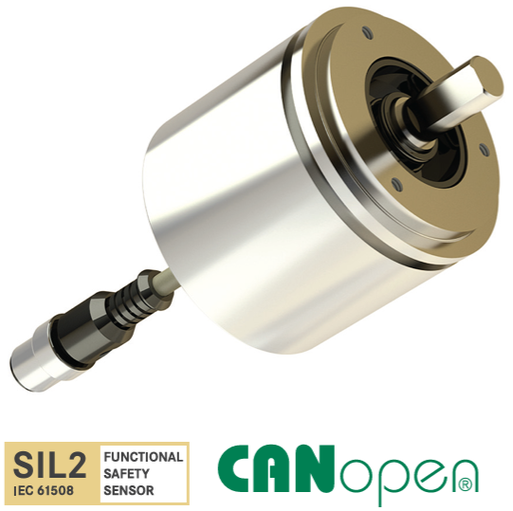 |  |  | 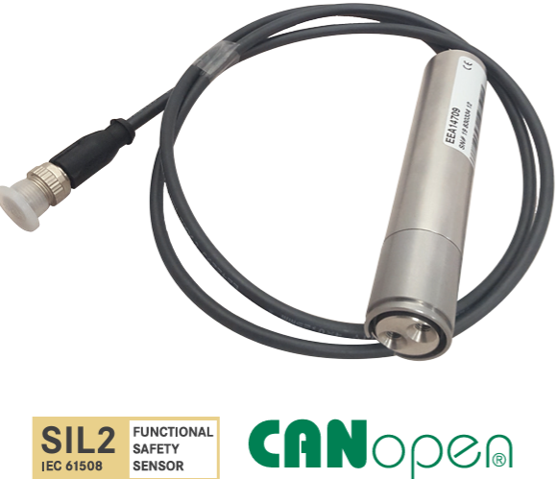 |  |  |  |  |  | 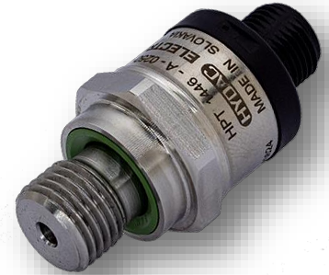 |  |  |  |  |  | 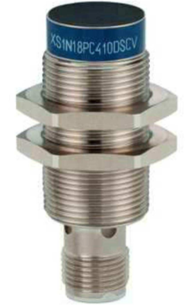 |  |  | 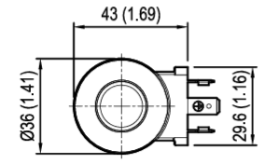 |  |  | 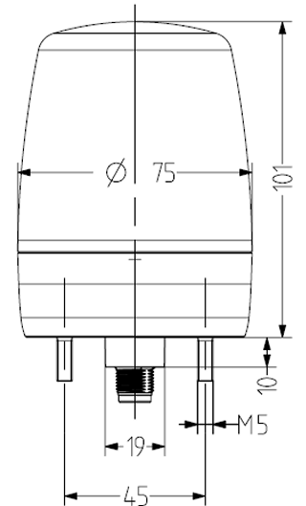 |  |  | 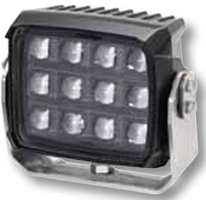 |  |  |  |  |  | 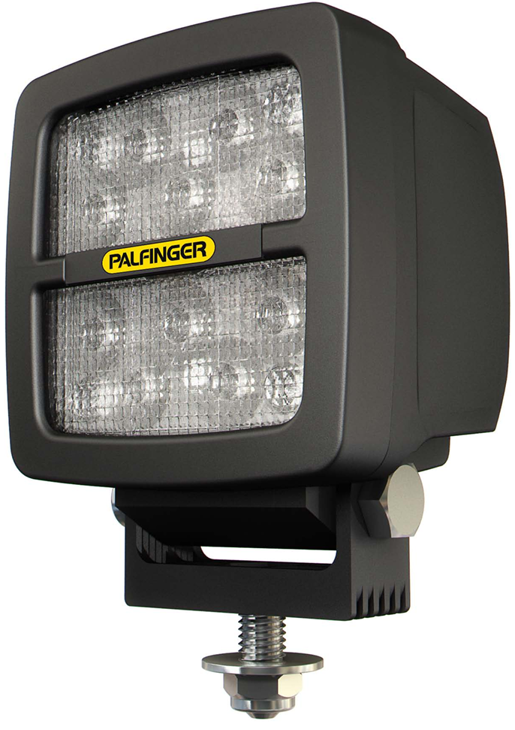 |  |  | 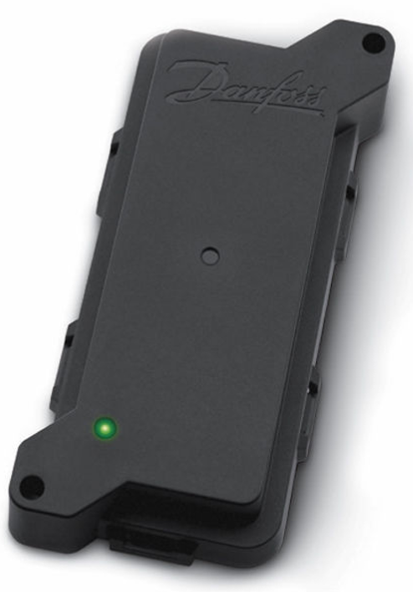 |  |  | 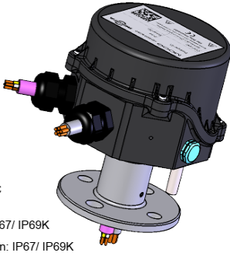 |  |  | 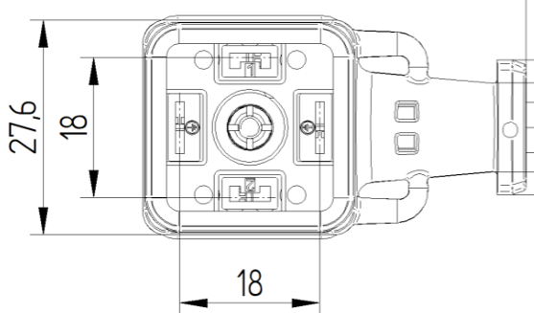 |  | 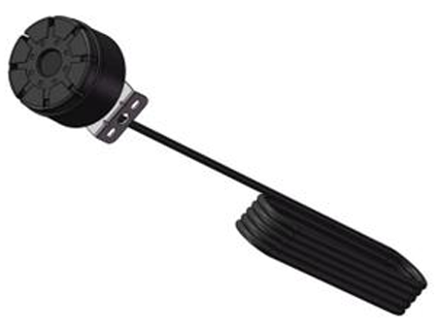 |  | 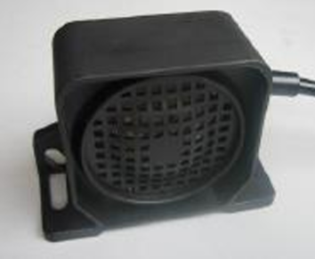

XX3
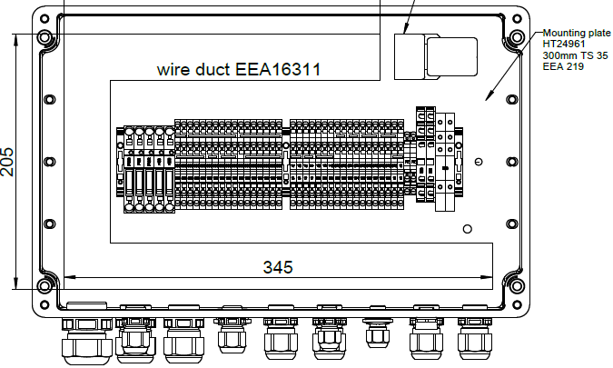
Junction Box XX3 – Components
Nr. | Designation | Quantity | Usage | Type (mm²) | Length (mm) | From / Component | To / Connecting Point | Condition / Application
EEA4558 | End bracket | 3 | F160, 15, K56 | 1.5 | 700 | Fuse F160 | Terminal 801 | Standard wiring
EEA6078 | Fuse terminal | 3 | F160, F161, F162 | 1.5 | 700 | Fuse F161 | Terminal 801 | Standard wiring
EEA4577 | Fuse 5A | 2 | F161, F162 | 1.5 | 700 | Fuse F162 | Terminal 801 | Standard wiring
EEA1803 | Fuse 3A | 1 | F160 | 1.5 | 700 | Fuse F160 | Terminal 160 | Standard wiring
EEA9789 | End plate fuse terminal | 1 | F162 / F163 / F900 | 1.5 | 700 | Fuse F161 | Terminal 161 | Standard wiring
EEA4550 | Terminal (Line‑Up Terminal ZDK2.5‑2) | 35 | 160 – 801, 15 – 629 | 1.5 | 700 | Fuse F162 | Terminal 162 | Standard wiring
EEA4551 | End plate terminal strip | 2 | 160, 111 | 2.5 (ye/gn) | tbd | Terminal PE | Mounting plate | Protective earth connection
EEA4562 | PE terminal | 2 | PE | 2.5 | 700 | Terminal 800 | Terminal 800 | Jumper connection
EEA4563 | End plate PE terminal | 1 | PE | 0.5 | 700 | Terminal 162 | K50/11 | Relay K50 control wiring
EEA4557 | Cross‑connector 10× for spring clamp | 1 | 800 | 0.5 | 700 | Terminal 162 | K51/11 | Relay K51 control wiring
EEA4552 | Cross connector ZQV2.5/2 (2‑way) | 6 | 163, 15, 17, 111, 620, 621 | 0.5 | 700 | K50/A2 | Terminal 800 | Relay return wiring
EEA4556 | Cross‑connector 6× for spring clamp | 1 | 160 | if SCHEI = 'Sch03L' (Working light)
EEA4555 | Cross‑connector 5× for spring clamp | 1 | 801, 800 | 2.5 | 700 | Fuse F163 | Terminal 163
EEA4553 | Cross‑connector 3× for spring clamp | 4 | 162, 56, 628, 629 | 1.5 | 700 | Terminal 163 | K56/11
EEA5339 | Relay coupler 24 VDC | 1 | K50 | 1.5 | 700 | Terminal 163 | K56/21
EEA5319 | End plate relay | 1 | K50 / K51 | 0.5 | 700 | K56/A2 | Terminal 800
EEA6216 | Relay module 24 VDC (light control) | 1 | K56 | 1.5 | 700 | K56/14 | Terminal 56
EEA6078 | Fuse terminal | 1 | F163 | 1.5 | 700 | K56/24 | Terminal 56
EEA3186 | Blade fuse 10 A | 1 | F163 | if ZSCHM = 'ZS002' (Electric lubrication pump)
EEA5339 | Relay | 1 | K51 | 0.5 | 700 | K51/11 | Terminal 162
EEA6078 | Fuse Terminal | 1 | F900 | If PCH = 'MOD1' (Telematic Unit)
EEA6090 | Fuse 1A | 1 | F900 | 1.5 | 700 | Fuse F900 | Terminal 801

